Level 1 Gowns Packing List
PATIENT USE
Product | Brand | Description | Prod Class | Available | Case Qty | Total Units | SAMPLE PHOTO
803 | Avalon | Avalon Exam Gown Tissue/Poly/Tissue Blue | CS | 42 | 50 | 2100 | 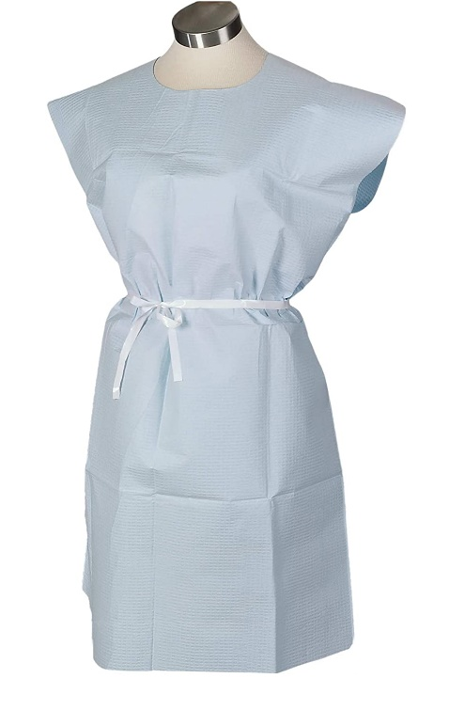 
805 | Avalon | Avalon Exam Gown Tissue/Poly/Tissue Mauve | CS | 12 | 50 | 600
811 | Avalon | Avalon Exam Gowns, Tissue/Poly/Tissue, White, 50/cs | CS | 103 | 50 | 5150
813 | Avalon | Avalon Exam Gowns, Tissue/Poly/Tissue, Blue, 50/cs | CS | 143 | 50 | 7150
823 | Avalon | Avalon Exam Gown | CS | 59 | 50 | 2950
220 | Graham Medical | GOWN EXAM FABRI-SOFT WHT 50/CS | CS | 77 | 50 | 3850 | 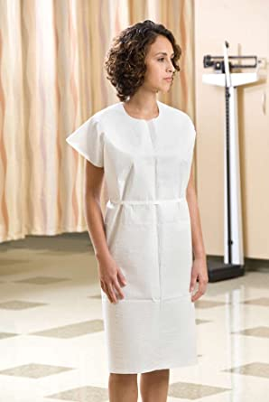
223 | Graham Medical | Gown, 3-Ply, 30"x42", Mauve, 50/Case, Patient Apparel (Short Sleeve) | CS | 20 | 50 | 1000
226 | Graham Medical | Gown TP 30"x42" Blue 50/Case (Short Sleeve) | CS | 189 | 50 | 9450
228 | Graham Medical | Gown, Scrim Tissue, 30"x42", Blue, Medium Weight, 50/Case, Patient Apparel (Short Sleeve) | CS | 118 | 50 | 5900
229 | Graham Medical | GOWN EXAM BLUE POLYCEL | CS | 293 | 50 | 14650
230 | Graham Medical | Gown, Scrim Tissue, 30"x42", Blue, Sewn Shoulder, Poly, Waist Tie, 50/Case, Patient Apparel (Short Sleeve) | CS | 20 | 50 | 1000
231 | Graham Medical | Gown, Tissue/Poly/Tissue, 30"x42", Blue, Heavyweight, 50/Case, Patient Apparel (Short Sleeve) | CS | 107 | 50 | 5350
234 | Graham Medical | Gown – Sewn Shoulders & Waist Tie Nonwoven Blue M/L 30" x 42" | CS | 1000 | 50 | 50000
237 | Graham Medical | Gown, Tissue/Poly/Tissue, 30"x42", Peach, 50/Case, Patient Apparel (Short Sleeve) | CS | 4 | 50 | 200
239 | Graham Medical | Gown, Tissue/Poly/Tissue, 30″x42″, Wildflower, 50/Case, Printed, Patient Apparel (Short Sleeve) | CS | 11 | 50 | 550
243 | Graham Medical | Tissue/Poly/Tissue Gown, Mauve 30"x42" 50/Case (Short Sleeve) | CS | 13 | 50 | 650
261 | Graham Medical | Gown Scrim Tiss 30"x45" Blue Sewn Shoulder&Ties 25/cs (Short Sleeve) | CS | 46 | 25 | 1150
271 | Graham Medical | Gown TPT 30"x42" Seascape 50/CS (Short Sleeve) | CS | 31 | 50 | 1550
44506 | Graham Medical | Exam Gown, 30" x 42", White, 50/cs (Short Sleeve) | CS | 175 | 50 | 8750
44507 | Graham Medical | Gown, Tissue/Poly/Tissue, 30"x42", Blue, 50/Case, Patient Apparel (Short Sleeve) | CS | 100 | 50 | 5000
65336 | Graham Medical | Graham Exam Gown, Non-Woven, 42" x 50", Blue (Yellow Tie), (Short Sleeve) X-Large, 50/cs | CS | 14 | 50 | 700
74111 | Graham Medical | Gown, Nonwoven, 30"x46", Maroon, SMS, Large, Navy Blue Ties, 50/Case, Patient Apparel (Short Sleeve) | CS | 3 | 50 | 150
P750023 | Pro Advantage | ProAdvantage Exam Gown, Tissue/ Poly/ Tissue, 30" x 42" , White, Traditional Front/ Back Opening, 50/cs | CS | 740 | 50 | 37000 | 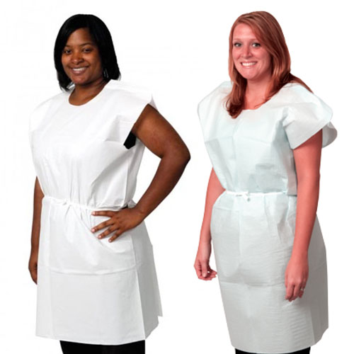
P750033 | Pro Advantage | Exam Gown, Tissue/ Poly/ Tissue, 30" x 42" , Blue, Traditional Front/ Back Opening, 50/cs | CS | 485 | 50 | 24250
P750333 | Pro Advantage | ProAdvantage Exam Gown, 3-Ply Tissue, 30" x 42", White, Traditional Front/ Back Opening, 50/cs | CS | 145 | 50 | 7250
910320 | Tidi | Tidi Gown 30"x42" 3-Ply Tissue White Front or Back opening | CS | 23 | 50 | 1150 | 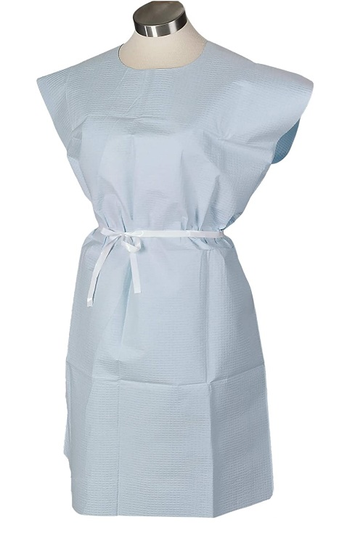
910326 | Tidi | Tidi Gown 30x42 3-Ply Tissue Mauve Latex Free | CS | 1 | 50 | 50
910420 | Tidi | Tidi Exam Gown, 30" x 42", Adult, White, T/P/T, Front or Back Opening, 50/cs | CS | 118 | 50 | 5900
910520 | Tidi | GOWN EXAM BLUE TPT 50/CS | CS | 21 | 50 | 1050
910521 | Tidi | Gown Exam 32X42 Blue Tpt 50/Cs.. | CS | 174 | 50 | 8700
910536 | Tidi | GOWN EXAM MAUVE TPT 50/CS | CS | 19 | 50 | 950
918156 | Tidi | Gown Patient Xxl Blue 25/Cs | CS | 66 | 25 | 1650
918158 | Tidi | Tidi Gown 40"x44" Blue 2 ply Scrim Latex Free | CS | 1 | 25 | 25
918507 | Tidi | Tidi Gown, 30" x 42", 3-Ply Tissue, Blue, Latex Free (LF), 50/cs | CS | 16 | 50 | 800
950545 | Tidi | Tidi Patient Gown 30"x42" Blue Non-Woven Waist Ties Attached Latex Free Non-Sterile | CS | 1 | 50 | 50
980831 | Tidi | Tidi Patient Gown, 30" x 42", Medium, Blue, Non-Woven, Dexter Material, Crepe Exterior, 50/cs | CS | 14 | 50 | 700
980844 | Tidi | GOWN XRAY POLY BLUE 50/CS | CS | 7 | 50 | 350
9810846 | Tidi | GOWN EXAM WHITE 30X42 50/CS | CS | 109 | 50 | 5450
9810847 | Tidi | GOWN EXAM 30X42 F/B OPEN | CS | 70 | 50 | 3500
TOTAL |  |  |  | 4590 |  | 226,675

Pediatric Use |  |  |  |  |  |  | PHOTO
280 | Graham Medical | Gown Pediatric TPT 20"x36" Animal Parade 50/CS (Short Sleeve) | CS | 38 | 50 | 1900 | 
281 | Graham Medical | GOWN EXAM FABRI-SOFT PEDI 20"X36 50/CS (Short Sleeve) | CS | 31 | 50 | 1550
283 | Graham Medical | Activity Bears® Gown Tissue/Poly/Tissue mfg# 283 (50 per Case).. | CS | 255 | 50 | 12750
37235 | Graham Medical | Gown, Tissue/Poly/Tissue, Pediatric, 20"x36", Tiny Tracks, 50/Case, Printed Patient Apparel (Short Sleeve) | CS | 111 | 50 | 5550
910416 | Tidi | Tidi Fabricel Gown, Pediatric, White, 21" x 36", T/P/T, 50/cs | CS | 23 | 50 | 1150
980830 | Tidi | Tidi Exam Gown 21x36 Blue TPT Latex Free | CS | 2 | 50 | 100
981836 | Tidi | Tidi Exam Gown 21" X36" Pediatric Print Schooltime T/P/T Latex Free | CS | 16 | 50 | 800
TOTAL |  |  |  | 476 |  | 23800

